OSTM
This sheet is used for other confirmation

 | No. | Confirmation points (BV) | Confirmation Type | Answer (RVC) |  | Deadline | Status
 |  |  |  | P.I.C | Answer
 | 1 | 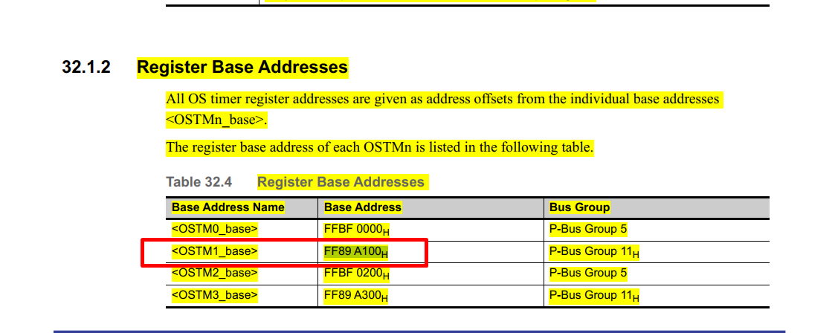 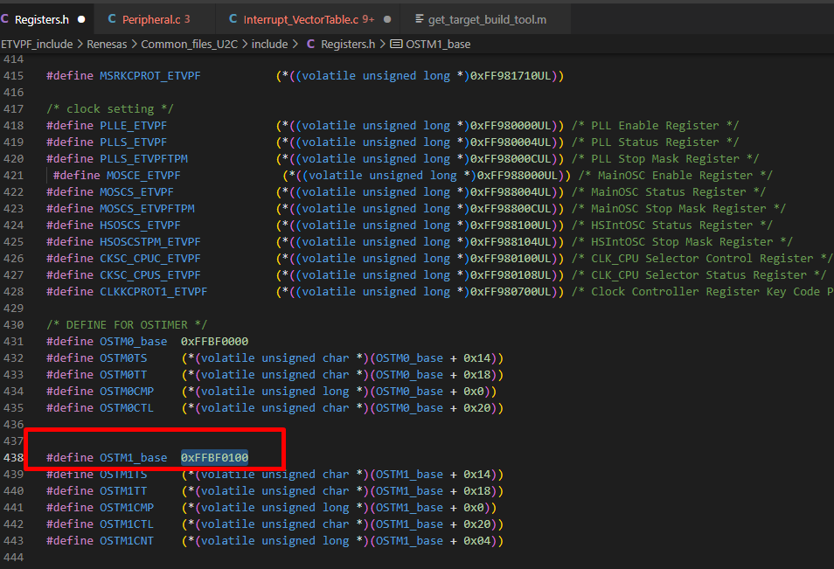 [Vinh Le -03/01/2023] Back ground: In RH850 U2C spec, Register Base Addresses for OSTM1_base is 0xFF89A100. In source code, Register Base Addresses for OSTM1_base is 0xFFBF0100. QA1: Is there an mismatch between Source code file and HWUM? | HW confirmation | Tinh Le | Yes, there is mismatch about base address of OSTM1 b/w Source code and HWUM Background: for U2C alpha version, we porting source code from U2A prototype, so the OSTM1 address in source code is the base address of U2A. We just update OSTM0 for U2C Impact: In U2C alpha version, we use OSTM0, for OSTM1 source code is redundant => Can remove it and no issue occurs |  | Completed
 | 2 | 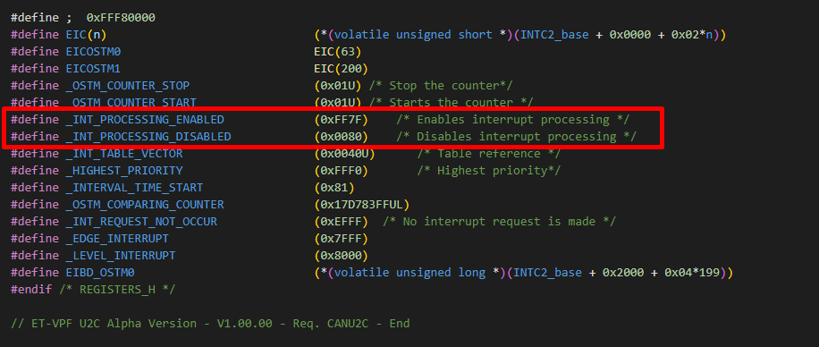 [Vinh Le -03/01/2023] Back ground: In file Registers.h , _INT_PROCESSING_ENABLED is defined 0xFF7F. _INT_PROCESSING_DISABLED is defined 0x0080. For now, _INT_PROCESSING_ENABLED, _INT_PROCESSING_DISABLED aren't called in source code. QA1: Where does source code call _INT_PROCESSING_ENABLED, _INT_PROCESSING_DISABLED? Which does register in RH850 U2C spec define _INT_PROCESSING_ENABLED, _INT_PROCESSING_DISABLED? |  | Tinh Le | Yes, these macro is redundant. |  | Completed
 | 3 | 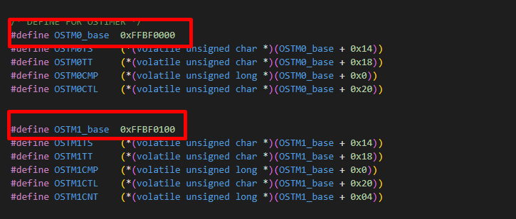 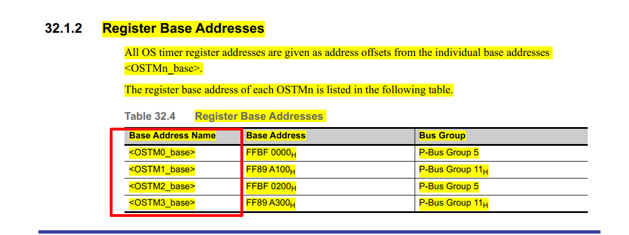 [Vinh Le -03/01/2023) In the RH850 U2C Spec, there are 4 OSTM units but in the source only define 2 units (OSTM0, OSTM1). Is the function of the others the same as OSTM0 or OSTM1? |  | Son Thai | 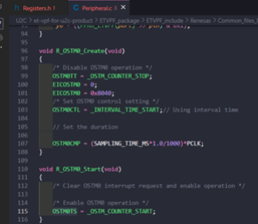 |  | Completed

